Assumptions
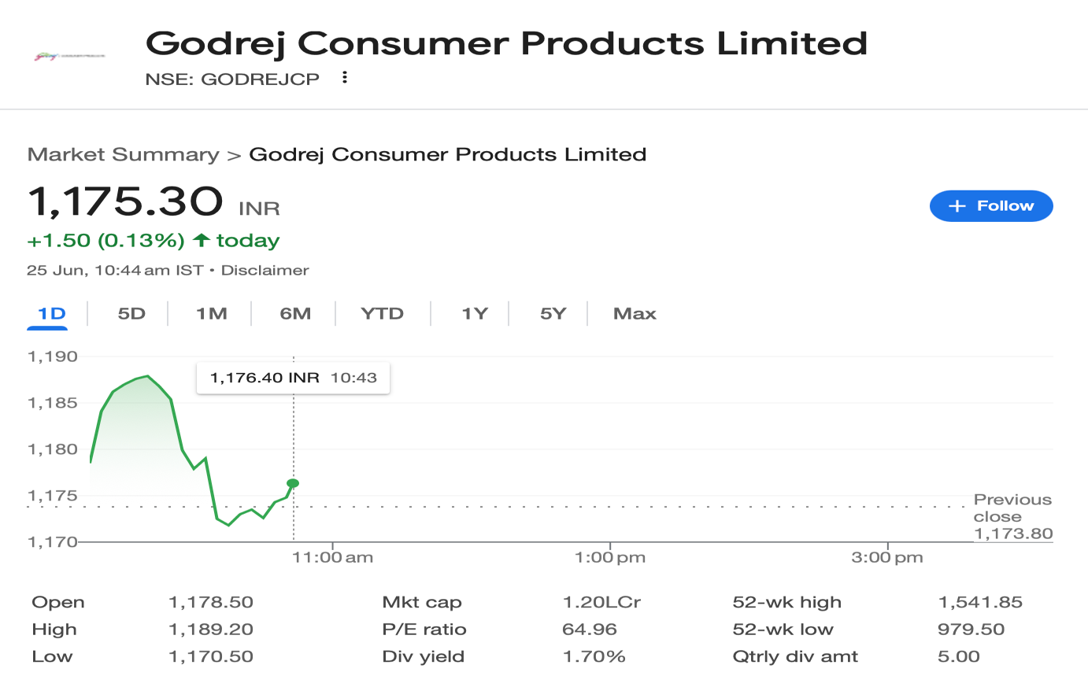

Company Description | Godrej Consumer Products Limited
ISIN Code | INE102D01028
Sector Name | FMCG
Industry | Consumer Products
Exchange Name | BSE: 532424, NSE: GODREJCP
Website | https://www.godrejcp.com/
Company Description | Godrej Consumer Products Limited (GCPL) is a prominent player in the FMCG sector and part of the 126-year-old Godrej Group. The Company operates across key categories such as home care, personal care, and hygiene, with popular brands like Goodknight, HIT, and Godrej Aer. GCPL has a strong global footprint across Asia, Africa, and Latin America, reaching over 1.4 billion consumers. The company recently enhanced its lifestyle portfolio by acquiring Raymond Consumer Care Limited, adding Park Avenue and Kamasutra brands to its offerings
Current Market Price | 1175

Scenario |  | Case
Base case |  | 2

Company data
Particulars |  | Amount
No of Outstanding shares | Nos | 1,022,820,329
Face Value per share | Rs. | 1
Current Market Price | Rs. | 1,175
Market Capitalisation | INR in crs | 120,212.07

Assumptions
Domestic Sales growth rate | % | 0.80%
Export Sales growth rate | % | 3.00%
Perpetual Growth rate | % | 6.00%
10 year Bond yield rate | % | 6.26%
Interest rate | % | 5.00%

Company Export data
Year |  | Revenue in Crs
2020 |  | 4,534.51
2021 |  | 4,901.00
2022 |  | 5,474.28
2023 |  | 5,740.65
2024 |  | 5,778.86

Sheet | Reference | Assumptions
Revenue Buildup | H12:Q12, H18:Q18, H21:Q21 | Other operating income is projected as a percentage of total sales, while Other Income and Share of Associate's Profits are projected as a percentage of Sale of Goods — all based on previous year metrics
 | H30:Q30 | Company sales are categorised into two segments: within India (domestic) and outside India (exports). For the audited years, actual figures are reported. For the estimated and forecast years, domestic sales are projected by taking the previous year as the base and applying a 0.8% year-on-year growth.
 | H31:Q31 | After careful analysis of the export growth metrics from previous years, the immediately preceding year's growth rate of 0.67% was identified as an outlier. Therefore, the year before that, with a growth rate of 4.87%, has been considered as the base. Export sales are projected by applying a 3% year-on-year growth on this adjusted base
Cost Buildup | H13:Q13, H31:Q31 | All the costs are projected as a % of total sales except for finance costs which are calculated on PY end borrowings and latest years's % rates are used for projections.
 | H34:Q34 | For the estimated year, the tax rate is taken as 20%, based on the year preceding the anomaly in 2024. From this base, the tax rate is projected to increase by 1% every two year going forward
Fixed Assets Schedule (FAS) | H11:Q11, H281:Q281 | The average of the last 5 audited years is taken to estimate additions, disposals, and depreciation of Fixed Assets, Intangibles, and ROU Assets for the estimated year, with a 0.5% increase applied for the immediate next forecast year.
 | H277:Q277 | Capex is estimated using the average of the last 5 audited years, with a 0.5% increase applied in the next forecast year
BS Items | I13:R13, I59:R59 | Balance sheet items are projected as % on Revenue using the latest previous year's % as base otherwise as mentioned and Borrowings are adjusted (assummed to be taken/repaid) based on availability of Cash & Cash equivalents
Working Capital | H11:Q11, H12:Q12, H13:Q13 | Trade Receivables, Inventory and Trade Payables are forecasted at 5% annual growth rate for forecasted period taking previous year as base.
Balance Sheet | I34:R34 | Cash and Cash equivalents are taken as the balancing figures in the Balance Sheet.

Revenue Buildup
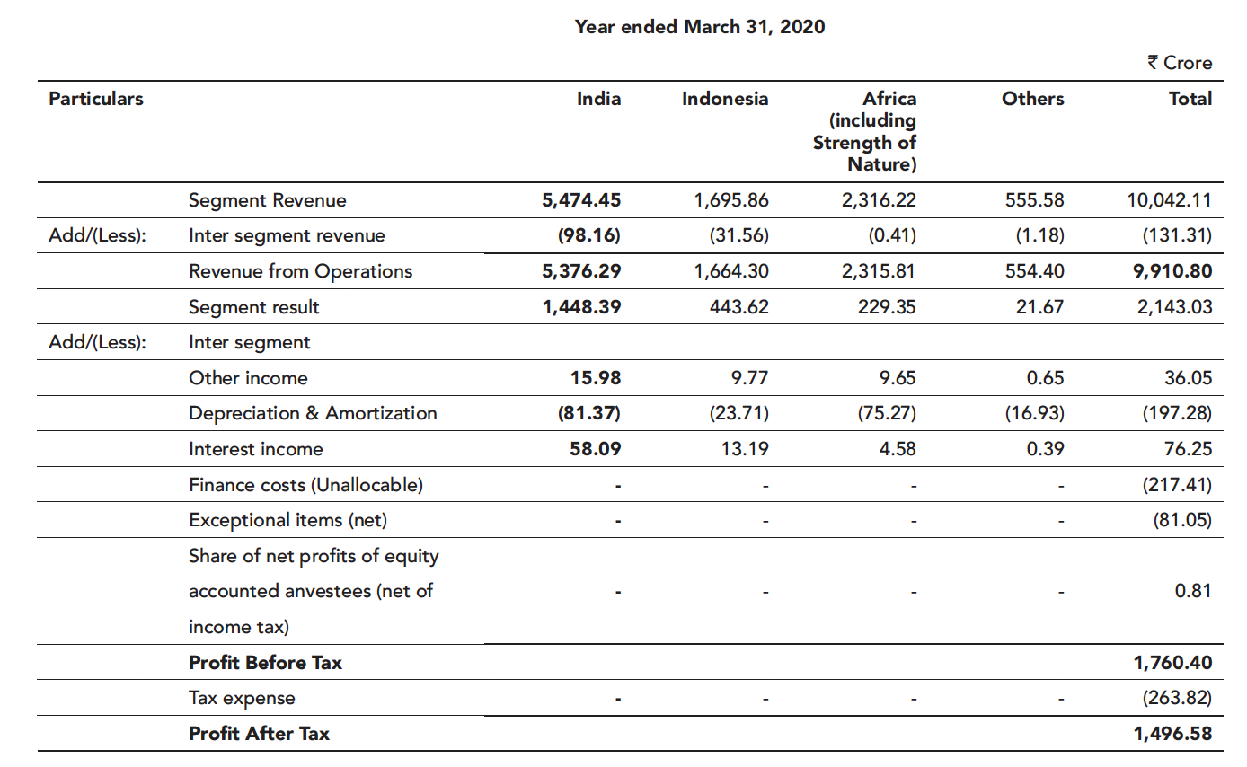
 |  |  |  |  |  |  |  |  |  |  |  |  |  | (INR in Crores)
Revenue Buildup
Particulars | 2020 | 2021 | 2022 | 2023 | 2024 | 2025 | 2026 | 2027 | 2028 | 2029 | 2030 | 2031 | 2032 | 2033 | 2034
 | Audited | Audited | Audited | Audited | Audited | Estimated | Projected | Projected | Projected | Projected | Projected | Projected | Projected | Projected | Projected

Sale of Products | 9,826.51 | 10,936.01 | 12,174.22 | 13,198.68 | 13,974.06 | 15,074.03 | 16,305.68 | 17,687.27 | 19,241.49 | 20,995.07 | 22,979.61 | 25,232.60 | 27,798.63 | 30,730.96 | 34,093.39
Other Operating Revenues | 84.29 | 92.61 | 102.28 | 117.29 | 122.05 | 132.82 | 143.67 | 155.84 | 169.54 | 184.99 | 202.47 | 222.32 | 244.93 | 270.77 | 300.40
(% on total Sales) | 0.9% | 0.8% | 0.8% | 0.9% | 0.9% | 0.9% | 0.9% | 0.9% | 0.9% | 0.9% | 0.9% | 0.9% | 0.9% | 0.9% | 0.9%

Revenue from Operations | 9,910.80 | 11,028.62 | 12,276.50 | 13,315.97 | 14,096.11 | 15,206.85 | 16,449.35 | 17,843.12 | 19,411.03 | 21,180.06 | 23,182.09 | 25,454.93 | 28,043.57 | 31,001.73 | 34,393.78
Y-O-Y Growth |  | 11.28% | 11.31% | 8.47% | 5.86% | 7.88% | 8.17% | 8.47% | 8.79% | 9.11% | 9.45% | 9.80% | 10.17% | 10.55% | 10.94%

Other Income | 112.30 | 67.07 | 89.71 | 168.41 | 268.95 | 290.12 | 313.83 | 340.42 | 370.33 | 404.08 | 442.27 | 485.64 | 535.02 | 591.46 | 656.17
 | 1% | 1% | 1% | 1% | 2% | 2% | 2% | 2% | 2% | 2% | 2% | 2% | 2% | 2% | 2%

Share of Associate's profits | 0.81 | (0.01) | 0.28 | - | - | 1.51 | 1.63 | 1.77 | 1.92 | 2.10 | 2.30 | 2.52 | 2.78 | 3.07 | 3.41
 | 0% | 0% | 0% | 0% | 0% | 0% | 0% | 0% | 0% | 0% | 0% | 0% | 0% | 0% | 0%

Exceptional Items | (81.05) | (44.47) | (9.75) | (54.11) | (2,476.86) | (586.27) | (634.17) | (687.90) | (748.35) | (816.55) | (893.73) | (981.36) | (1,081.16) | (1,195.20) | (1,325.97)
 | -1% | 0% | 0% | 0% | -18% | -4% | -4% | -4% | -4% | -4% | -4% | -4% | -4% | -4% | -4%
Company Sales
Within India | 5,376.29 | 6,127.62 | 6,802.22 | 7,575.32 | 8,317.25 | 9,138.36 | 10,067.60 | 11,122.04 | 12,321.87 | 13,691.01 | 15,257.92 | 17,056.55 | 19,127.52 | 21,519.62 | 24,291.61
Outside India | 4,534.51 | 4,901.00 | 5,474.28 | 5,740.65 | 5,778.86 | 6,068.49 | 6,381.75 | 6,721.07 | 7,089.16 | 7,489.04 | 7,924.16 | 8,398.37 | 8,916.04 | 9,482.11 | 10,102.17
 | 9,910.80 | 11,028.62 | 12,276.50 | 13,315.97 | 14,096.11 | 15,206.85 | 16,449.35 | 17,843.12 | 19,411.03 | 21,180.06 | 23,182.09 | 25,454.93 | 28,043.57 | 31,001.73 | 34,393.78
Domestic Growth Y-O-Y |  | 13.97% | 11.01% | 11.37% | 9.79% | 9.87% | 10.17% | 10.47% | 10.79% | 11.11% | 11.44% | 11.79% | 12.14% | 12.51% | 12.88%
Export Growth Y-O-Y |  | 8.08% | 11.70% | 4.87% | 0.67% | 5.01% | 5.16% | 5.32% | 5.48% | 5.64% | 5.81% | 5.98% | 6.16% | 6.35% | 6.54%
Scenario: Domestic Sales
Best case |  |  |  |  |  | 11.87% | 12.23% | 12.60% | 12.97% | 13.36% | 13.76% | 14.18% | 14.60% | 15.04% | 15.49%
Base case |  |  |  |  |  | 9.87% | 10.17% | 10.47% | 10.79% | 11.11% | 11.44% | 11.79% | 12.14% | 12.51% | 12.88%
Worst case |  |  |  |  |  | 7.87% | 8.11% | 8.35% | 8.60% | 8.86% | 9.13% | 9.40% | 9.68% | 9.97% | 10.27%

Scenario: Exports Sales
Best case |  |  |  |  |  | 7.01% | 7.22% | 7.44% | 7.66% | 7.89% | 8.13% | 8.37% | 8.62% | 8.88% | 9.15%
Base case |  |  |  |  |  | 5.01% | 5.16% | 5.32% | 5.48% | 5.64% | 5.81% | 5.98% | 6.16% | 6.35% | 6.54%
Worst case |  |  |  |  |  | 3.01% | 3.10% | 3.20% | 3.29% | 3.39% | 3.49% | 3.60% | 3.70% | 3.82% | 3.93%

Charts
Revenue & YoY Growth
 | Revenue from Operations | YoY Growth
2020 | 9,910.80
2021 | 11,028.62 | 11.28%
2022 | 12,276.50 | 11.31%
2023 | 13,315.97 | 8.47%
2024 | 14,096.11 | 5.86%
2025 | 15,206.85 | 7.88%
2026 | 16,449.35 | 8.17%
2027 | 17,843.12 | 8.47%
2028 | 19,411.03 | 8.79%
2029 | 21,180.06 | 9.11%
2030 | 23,182.09 | 9.45%
2031 | 25,454.93 | 9.80%
2032 | 28,043.57 | 10.17%
2033 | 31,001.73 | 10.55%
2034 | 34,393.78 | 10.94%
EBITDA vs Net Profit
 | EBITDA | Net Profit
2020 | 2,143.03 | 1,496.58
2021 | 2,388.25 | 1,720.82
2022 | 2,395.11 | 1,783.39
2023 | 2,430.46 | 1,702.46
2024 | 2,943.47 | -560.55
2025 | 3,224.79 | 2,037.02
2026 | 3,486.26 | 2,209.21
2027 | 3,779.34 | 2,377.73
2028 | 4,108.78 | 2,599.20
2029 | 4,480.21 | 2,812.85
2030 | 4,900.26 | 3,093.73
2031 | 5,376.80 | 3,368.66
2032 | 5,919.19 | 3,728.17
2033 | 6,538.61 | 4,084.97
2034 | 7,248.46 | 4,544.27

ROE vs ROCE
 | Return on Equity | Return on Capital Employed
2020 |  | 14%
2021 | 20% | 17%
2022 | 17% | 14%
2023 | 13% | 11%
2024 | -4% | -4%
2025 | 14% | 10%
2026 | 12% | 9%
2027 | 10% | 8%
2028 | 9% | 7%
2029 | 8% | 7%
2030 | 8% | 6%
2031 | 7% | 6%
2032 | 7% | 6%
2033 | 7% | 6%
2034 | 6% | 5%

